Aleutian Atlas
The Annual Time Planner

 Aleutian Atlas

Click the link to learn more:
www.aleutianatlas.com

Instructions
Step 1: Start with Awareness

You only get 8,760 hours in a year. Think of this planner as a way to map how you actually spend that time and design a year that reflects your priorities.

Step 2: List Your Buckets

Start by writing down the main categories where your time goes in Column B of the Annual Time Planner. Some are universal:

- Sleep
- Work (less PTO)
- Commute
- Daily hygiene
- Phone scrolling/surfing
- Cushion time (0.5–1.0 hours/day for transitions and unpredictables)

Then add your personal buckets—family, friends, kids’ activities, fitness, hobbies, volunteering, travel, etc. (See the "Buckets" tab for ideas.)

Step 3: Estimate the Hours per Instance

In the Hours column, write how much time one occurrence of that activity usually takes.

Example: “Work” = 8.5 hours per workday.
Example: “Daily hygiene” = 1 hour per day.

Step 4: Review Your Totals

Use the dropdown in the Frequency column to select how often this activity happens:

Daily, 5x weekly, Weekly, Bi-weekly, Monthly, Quarterly, Half-yearly, Yearly.

The Multiplier column will automatically fill in (e.g., daily = 365, weekly = 52).
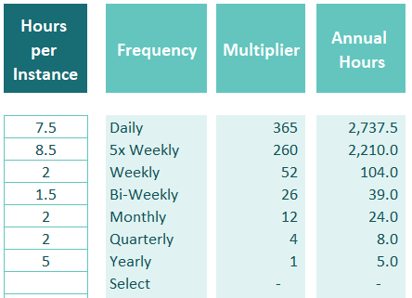

Step 5: See Your Annual Hours & Make Adjustments

The planner will calculate the Annual Hours (Hours per Instance × Frequency). This shows how much time the activity takes across the whole year.

If something doesn’t happen the full amount, use the Less Adjustment column:

- Subtract holiday weeks from work.
- Remove vacation days from commute.
- Note the reason in Adjustment Reason for clarity.

The Total column will update automatically with the adjusted amount.

Step 6: Decide What to Do With Each Bucket

For each category, use the decision columns:

- Reduce – Can I cut this back?
- Combine – Can I overlap this with something else? (e.g., commute + audiobook)
- Delegate – Can someone else do it?
- Hire – Could I pay for support here?
- Other – Can I reframe, restructure, or shift how I do this?

This turns awareness into action: freeing up time for what matters most.

Step 7: Reflect on Priorities & Revisit Quarterly

Your life changes across the year—new projects, kids’ activities, health goals. Come back to this planner every few months to adjust and stay aligned with your priorities.

The goal isn’t to squeeze every minute, but to reclaim your year with intention.

